READ ME Answers and Check-offs
READ ME:
Fill out this workbook IN IT'S ENTIRETY
You are required to fill in the answers on this first sheet
Keep your calculations OUTSIDE of highlighted columns in other sheets, and to a minimum
Uncertainty
Uncertainty in width +/- [mm] | 0.05
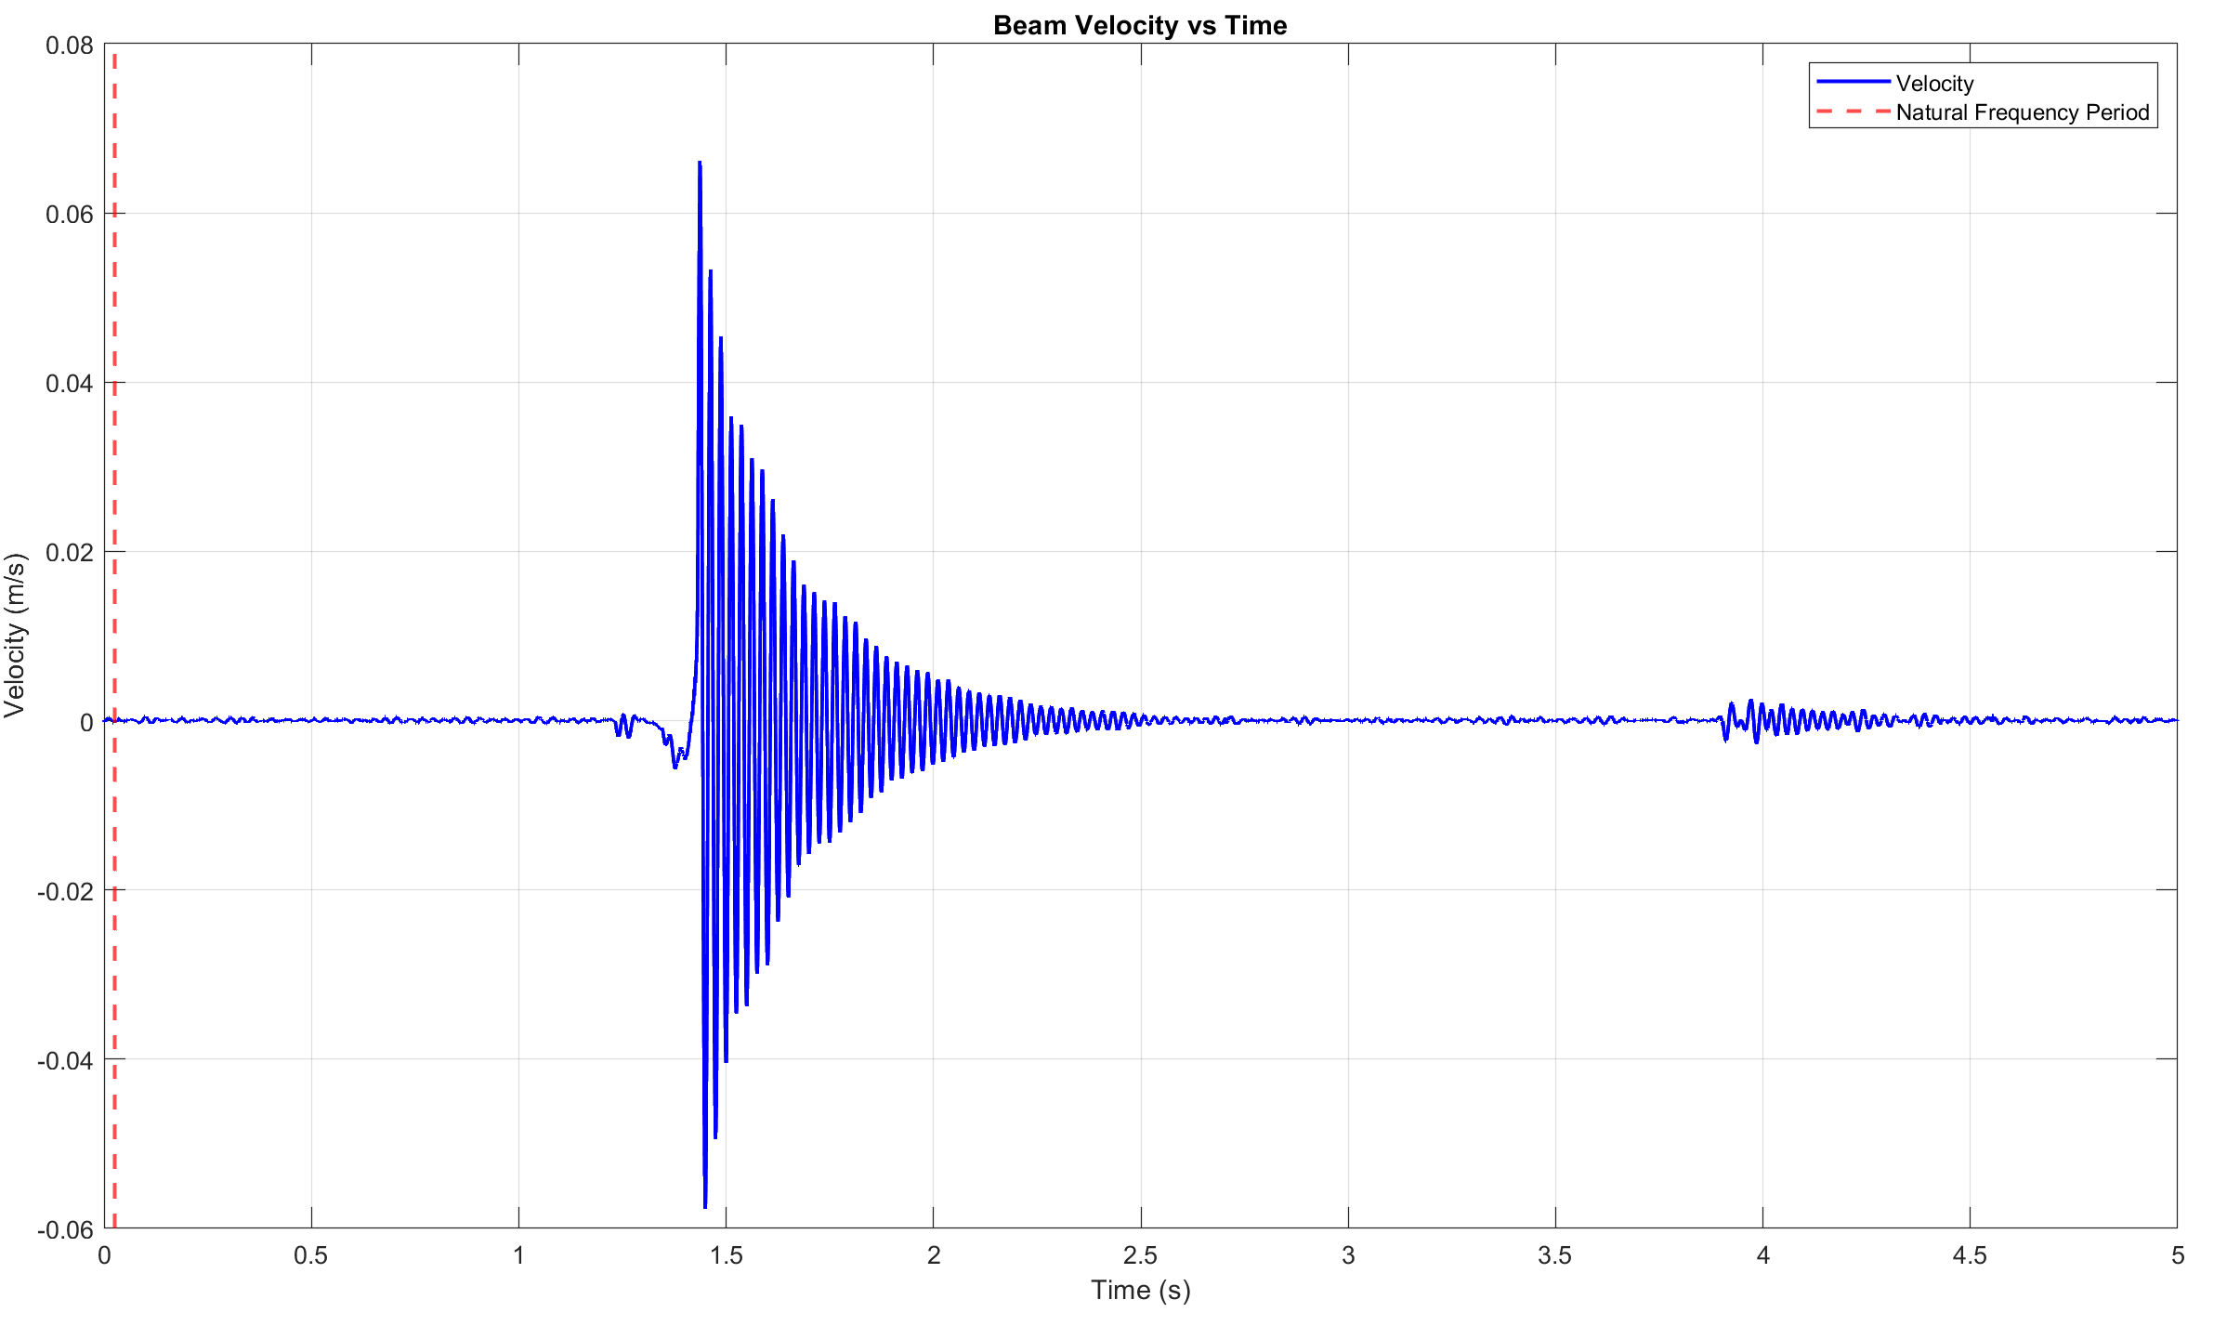
Uncertainty in height +/- [mm] | 0.01
Uncertainty in Length +/- [mm] | 0.01
Theoretical Natural Frequency [Hz] | 40.3

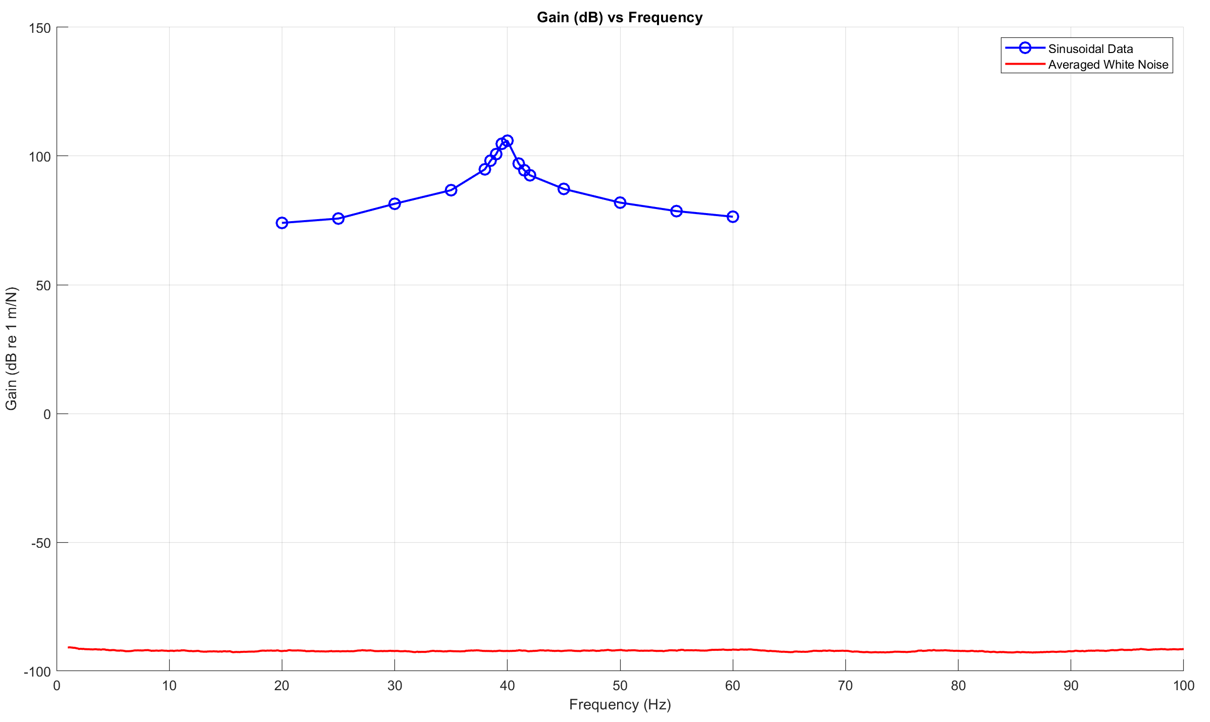
Part 1
Natural frequency of beam from free response [Hz] | 40.2
Plot of the beams velocity wrt. Time
To the right

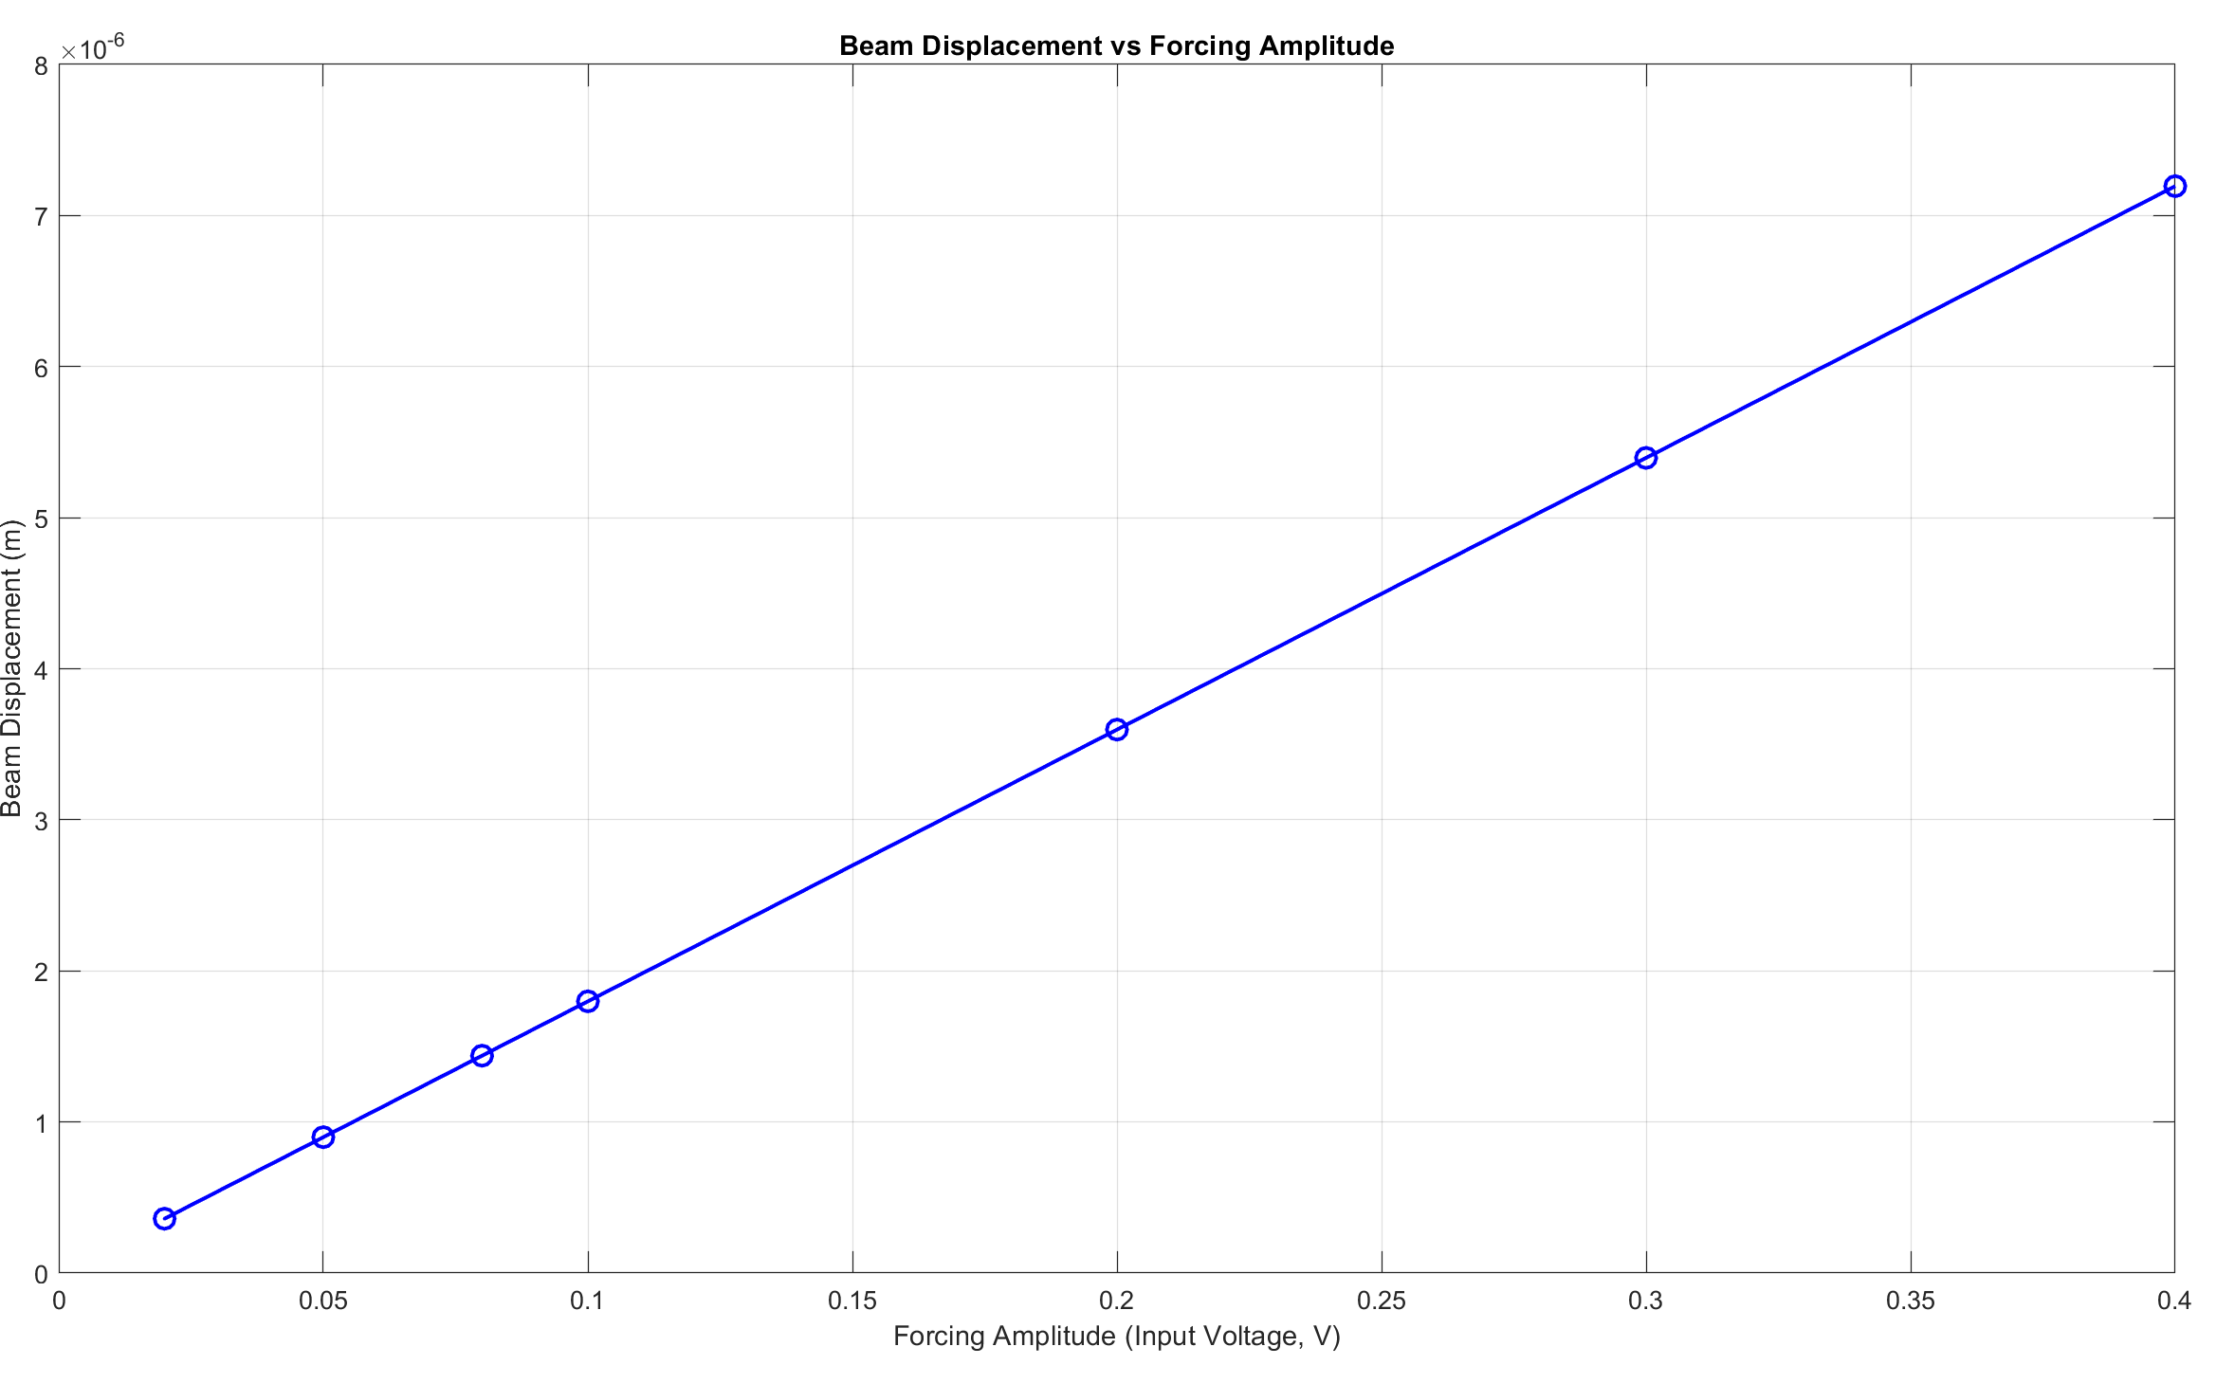
Part 2
Plot of beam displacement wrt to forcing amplitude

What is the relationship between forcing amplitude and vibration amplitude? (qualitative) | It is linear.
Natural frequency +/- 5Hz | 20
Plot of Gain (dB) vs Frequency, averaged white noise with sinusoidal data over top:

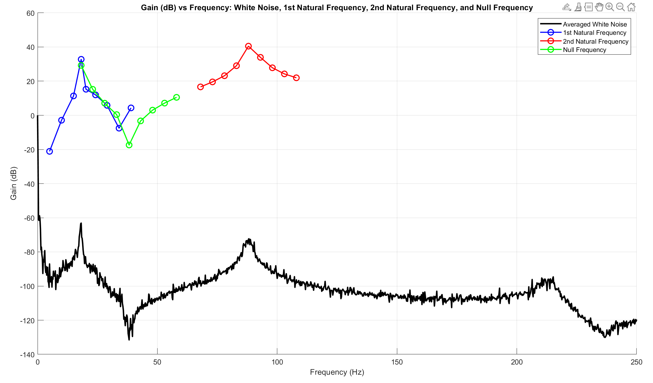
Part 3
Plot: averaged white noise data for 2DOF, sinusoidal data for the 1st and 2nd natural frequencies and null frequencies plotted over top

1st Natural Frequency +/-0.5Hz | 18.20 Hz
2nd Natural Frequency +/- 0.5Hz | 88.00 Hz
Null frequency +/-0.5Hz | 38.20 Hz

